Background
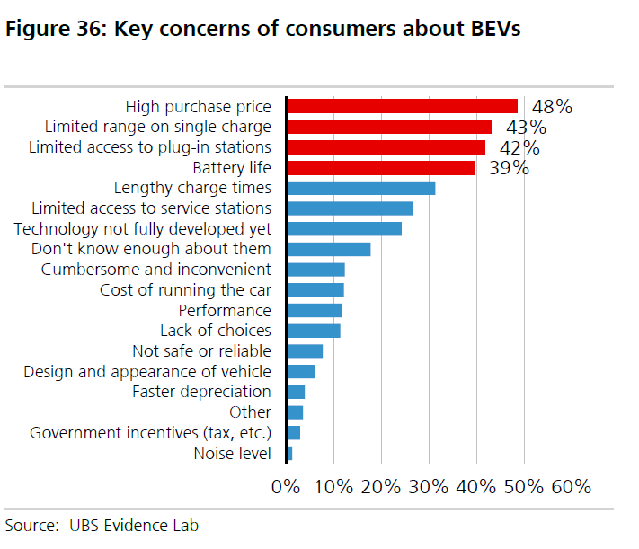

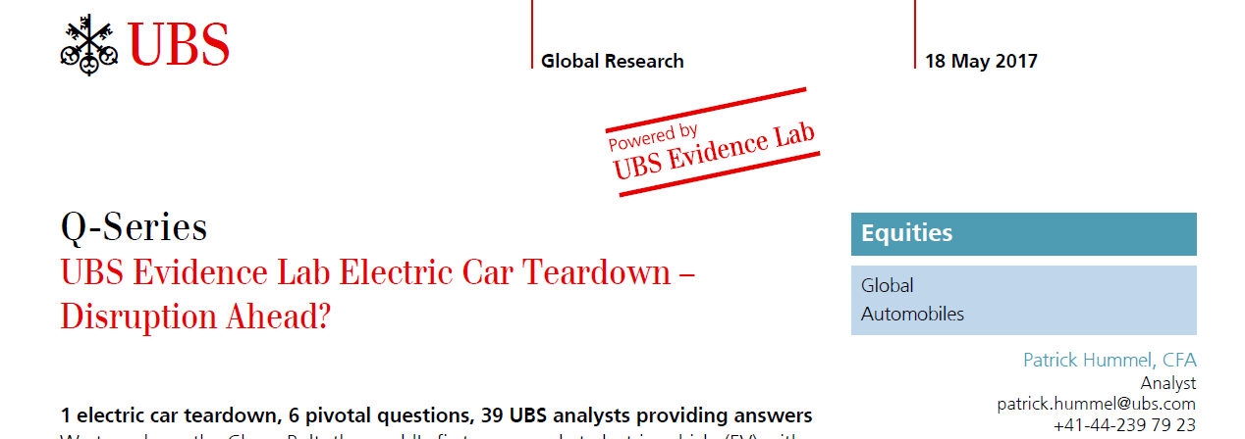

Resources for the Future
2017
How Much Do Consumers Value Fuel Economy and Performance? Evidence from Technology Adoption
https://www.rff.org/publications/reports/how-much-do-consumers-value-fuel-economy-and-performance-evidence-from-technology-adoption/
Page 7

The Resources for the Future Study finds:
"We find that consumers undervalue fuel cost savings arising from higher fuel economy.
The preferred estimates imply that consumers use a real discount rate of 12 percent to discount future fuel cost savings…"

https://www.rff.org/publications/reports/how-much-do-consumers-value-fuel-economy-and-performance-evidence-from-technology-adoption/

